Table of Contents
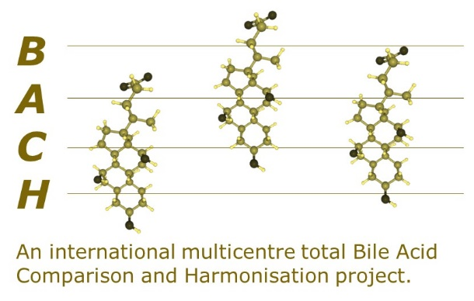

Thank you for agreeing to participate in this Total Bile Acid (TBA) comparison and harmonisation project.

Table of Contents
Hyper-links will take you directly to the appropriate tab.
Instructions - | Instructions for uniform sample handling and use of this template.
Participant Contact Information - | Contact details for participating laboratory. (All results will be anonymised.)
Methodology Questionnaire - | Please provide responses to the methodology questions.
Results Entry Page - | Result entry page for Total Bile Acid Results.
Coordinator Contact Details - | Contact details for Coordinator of the Total Bile Acid Harmonisation Project, should questions arise.

 |  | Document Control
 |  | Aug-2019 | v0.1 | Initial Design
 |  | Aug-2019 | v0.2 | Added details
 |  | Nov-2019 | v0.3 | Update results page
 |  | Nov-2019 | v0.4 | Update results page
 |  | Jan-2020 | v0.5 | Edits to text
 |  | May-2020 | v0.6 | Revsion Methodolody and Results Entry tabs.
 |  | May-2020 | v0.7 | Revsion formulas Results Entry tab.
 |  | May-2020 | v0.8 | Locked tabs.
 |  | Sep-2020 | v0.9 | Expanded Results Entry page.
 |  | 2020-10-14 | v1.0 | Expanded Questionnaire

